ADIDAS
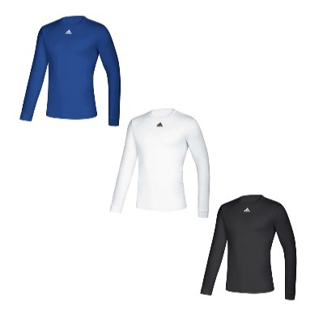
Row Labels | 2XL | 3XL | L | M | S | XL | XS | (blank) | Grand Total
Adidas | 401 | 218 | 1969 | 2336 | 1302 | 1089 |  | 22 | 7337
Men's Creator LST | 101 | 88 | 463 | 526 | 228 | 299 |  |  | 1705
Black |  | 7 | 65 | 58 |  | 36 |  |  | 166
Mid Grey | 8 | 23 | 78 | 120 | 81 | 70 |  |  | 380
Navy | 27 | 26 | 78 | 106 | 52 | 85 |  |  | 374
Red | 23 |  | 123 | 135 | 65 | 55 |  |  | 401
Royal | 28 | 31 | 119 | 107 | 30 | 53 |  |  | 368
White | 15 | 1 |  |  |  |  |  |  | 16
Men's Creator SST | 240 | 130 | 1167 | 1180 | 559 | 629 |  |  | 3905
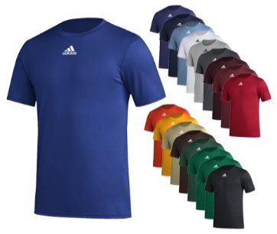
Black | 8 |  | 282 | 292 | 196 | 184 |  |  | 962
Dark Grey |  | 9 | 94 | 104 | 75 | 12 |  |  | 294
Mid Grey | 81 | 42 | 232 | 271 | 89 | 71 |  |  | 786
Navy | 51 | 30 | 160 | 181 | 55 | 104 |  |  | 581
Red | 7 | 25 | 94 | 105 | 49 | 64 |  |  | 344
Royal | 38 | 24 | 203 | 192 | 8 | 141 |  |  | 606
White | 55 |  | 102 | 35 | 87 | 53 |  |  | 332
Men's Fleece Crew |  |  |  |  | 59 |  |  |  | 59
Navy |  |  |  |  | 33 |  |  |  | 33 | 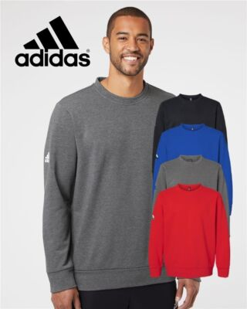
Red |  |  |  |  | 26 |  |  |  | 26
Stadium 3 Backpack |  |  |  |  |  |  |  | 22 | 22
Dark Red |  |  |  |  |  |  |  | 22 | 22
Women's Creator SST | 60 |  | 339 | 630 | 456 | 161 |  |  | 1646
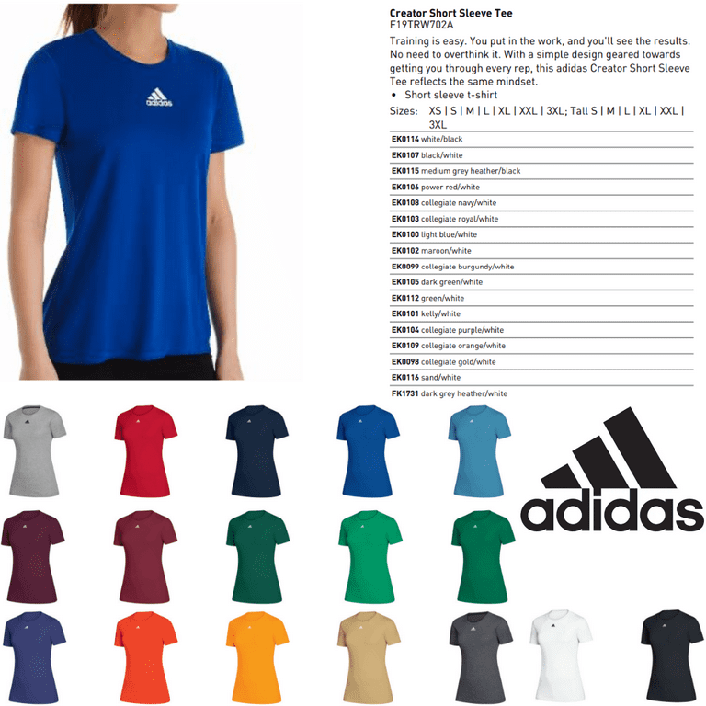
Black |  |  | 71 | 137 | 104 | 24 |  |  | 336
Mid Grey | 28 |  | 59 | 107 | 75 | 15 |  |  | 284
Navy |  |  | 64 | 130 | 105 | 27 |  |  | 326
Red |  |  | 106 | 166 | 102 | 66 |  |  | 440
Royal | 32 |  | 13 | 90 | 60 | 29 |  |  | 224
White |  |  | 26 |  | 10 |  |  |  | 36

NIKE
Row Labels | 2XL | 3XL | L | M | S | XL | XS | (blank) | Grand Total
Nike | 747 | 540 | 619 | 954 | 762 | 553 | 375 |  | 4550
Men's Dri-Fit Element ¼ ZIP | 24 |  | 34 | 61 | 70 | 38 |  |  | 227
Navy | 11 |  | 27 | 46 | 21 | 31 |  |  | 136
Red | 8 |  | 7 | 15 | 26 | 6 |  |  | 62
Royal | 5 |  |  |  | 23 | 1 |  |  | 29
Men's Legend LST | 155 | 367 | 62 | 89 | 143 | 54 |  |  | 870
Black |  | 35 |  |  |  |  |  |  | 35
Grey |  | 50 |  | 10 |  |  |  |  | 60
Navy | 33 | 104 | 14 | 21 | 43 | 10 |  |  | 225
Red | 55 | 65 | 23 | 34 | 56 | 27 |  |  | 260
Royal | 58 | 66 | 25 | 24 | 44 | 17 |  |  | 234
White | 9 | 47 |  |  |  |  |  |  | 56
Men's Legend SST | 75 | 173 | 257 | 367 | 94 | 44 |  |  | 1010
Grey |  | 30 | 19 | 78 |  |  |  |  | 127
Navy | 34 | 5 | 40 | 60 |  |  |  |  | 139
Red | 41 | 60 | 90 | 91 | 55 | 29 |  |  | 366
Royal |  | 37 | 83 | 89 | 39 | 15 |  |  | 263
White |  | 41 | 25 | 49 |  |  |  |  | 115
Women's Dri-Fit Element ¼ ZIP | 134 |  | 98 | 189 | 177 | 109 | 95 |  | 802
Black | 22 |  |  | 27 | 19 | 20 | 24 |  | 112
Grey | 16 |  | 24 | 38 | 54 | 18 | 25 |  | 175
Navy | 30 |  | 27 | 60 | 30 | 15 | 19 |  | 181
Red | 25 |  | 22 | 12 | 44 | 29 | 27 |  | 159
Royal | 41 |  | 25 | 52 | 30 | 27 |  |  | 175
Women's Legend SST | 359 |  | 168 | 248 | 278 | 308 | 280 |  | 1641
Black | 45 |  |  | 28 | 1 | 10 | 55 |  | 139
Grey | 124 |  | 26 | 93 | 51 | 41 | 68 |  | 403
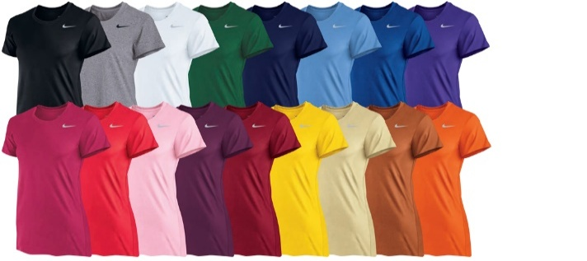
Navy | 63 |  | 45 | 30 | 44 | 88 | 25 |  | 295
Red | 69 |  | 62 | 49 | 59 | 119 | 65 |  | 423
Royal | 58 |  | 35 | 48 | 123 | 50 | 67 |  | 381

UA
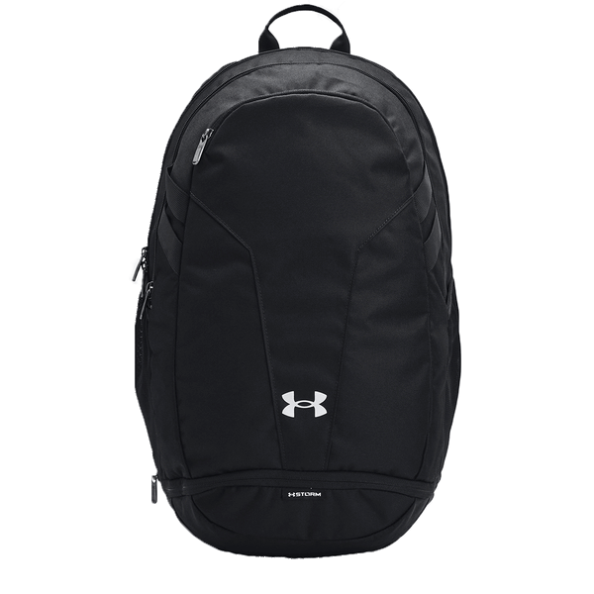
Row Labels | 2XL | 3XL | L | M | S | XL | XS | (blank) | Grand Total
UA | 997 | 652 | 3066 | 4646 | 2570 | 1518 | 456 | 6 | 13911
Hustle 5 Backpack |  |  |  |  |  |  |  | 6 | 6
Black |  |  |  |  |  |  |  | 6 | 6
Men's Command ¼ Zip | 92 | 73 | 513 | 599 | 326 | 328 |  |  | 1931
Black |  |  | 50 | 103 | 68 | 31 |  |  | 252
Navy | 23 | 14 | 129 | 127 | 65 | 105 |  |  | 463
Purple | 11 | 17 | 12 | 15 | 14 | 16 |  |  | 85
Red | 27 | 23 | 87 | 109 | 53 |  |  |  | 299
Royal | 23 | 14 | 146 | 102 | 51 | 99 |  |  | 435
Steel | 8 | 5 | 89 | 143 | 75 | 77 |  |  | 397
Men's Hustle Fleece Hoodie |  | 9 |  | 107 | 86 |  |  |  | 202
Dark Green |  | 4 |  |  |  |  |  |  | 4
Navy |  |  |  | 49 | 31 |  |  |  | 80
Purple |  | 5 |  | 38 | 35 |  |  |  | 78
Scarlet |  |  |  | 20 | 20 |  |  |  | 40
Men's Locker 9" Pocketed Shorts | 103 | 144 | 156 | 159 | 164 | 112 |  |  | 838
Navy | 20 | 34 | 10 | 15 | 43 | 24 |  |  | 146
Purple | 28 | 21 | 63 | 64 | 32 | 24 |  |  | 232
Red | 30 | 34 | 48 | 54 | 38 | 26 |  |  | 230
Royal | 25 | 30 | 35 | 26 | 51 | 38 |  |  | 205
Steel |  | 25 |  |  |  |  |  |  | 25
Men's Locker LST | 151 | 248 | 813 | 917 | 384 | 432 |  |  | 2945
Black |  |  | 45 | 65 | 13 |  |  |  | 123
Dark Green | 35 | 34 | 23 | 22 | 30 | 29 |  |  | 173
Grey |  | 58 | 151 | 146 | 76 | 50 |  |  | 481
Maroon | 31 | 33 | 121 | 135 | 48 | 55 |  |  | 423
Navy | 14 | 28 | 113 | 137 | 52 | 54 |  |  | 398
Purple | 30 | 34 | 124 | 129 | 67 | 54 |  |  | 438
Royal | 15 | 29 | 126 | 124 | 48 | 87 |  |  | 429
Scarlet | 26 | 32 | 110 | 159 | 50 | 83 |  |  | 460
White |  |  |  |  |  | 20 |  |  | 20
Men's Locker SST | 52 | 178 | 784 | 1163 | 385 | 172 |  |  | 2734
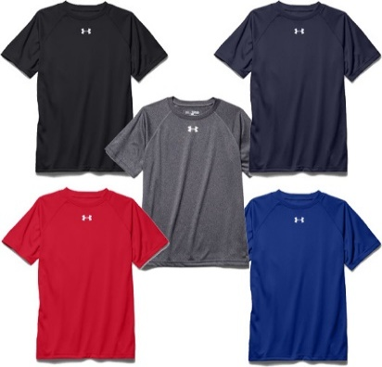
Black |  |  |  | 55 |  |  |  |  | 55
Dark Green | 6 | 30 |  | 2 | 17 |  |  |  | 55
Grey |  |  | 46 | 182 | 84 |  |  |  | 312
Maroon | 18 | 30 | 107 | 147 | 50 | 65 |  |  | 417
Navy |  | 52 | 145 | 191 | 54 | 40 |  |  | 482
Purple | 13 | 27 | 216 | 226 | 83 | 67 |  |  | 632
Royal | 15 | 21 | 96 | 115 | 33 |  |  |  | 280
Scarlet |  | 18 | 146 | 156 | 58 |  |  |  | 378
White |  |  | 28 | 89 | 6 |  |  |  | 123
Women's Command ¼ Zip | 116 |  | 333 | 537 | 502 | 195 | 142 |  | 1825
Black |  |  | 48 |  | 74 | 27 | 7 |  | 156
Navy | 24 |  | 68 | 126 | 93 | 44 | 33 |  | 388
Purple | 13 |  | 46 | 83 | 48 | 11 | 17 |  | 218
Red | 16 |  | 48 | 83 | 69 | 31 | 16 |  | 263
Royal | 33 |  | 63 | 147 | 100 | 46 | 34 |  | 423
Steel | 30 |  | 60 | 98 | 118 | 36 | 35 |  | 377
Women's Hustle Fleece Hoodie |  |  |  |  | 27 |  |  |  | 27
Navy |  |  |  |  | 4 |  |  |  | 4
Scarlet |  |  |  |  | 23 |  |  |  | 23
Women's Locker LST | 139 |  | 103 | 348 | 241 | 82 | 102 |  | 1015
Grey | 20 |  |  |  |  |  | 18 |  | 38
Maroon | 30 |  | 10 | 88 | 52 | 27 | 23 |  | 230
Navy | 26 |  | 18 | 26 | 43 | 18 | 4 |  | 135
Purple |  |  |  |  |  | 1 |  |  | 1
Royal | 31 |  | 30 | 115 | 65 | 11 | 21 |  | 273
Scarlet | 32 |  | 45 | 119 | 81 | 25 | 36 |  | 338
Women's Locker SST | 344 |  | 364 | 816 | 455 | 197 | 212 |  | 2388
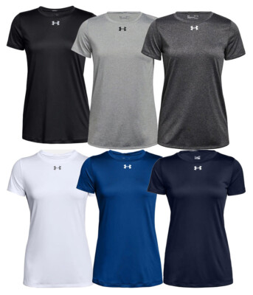
Black | 8 |  | 10 | 96 | 91 |  | 11 |  | 216
Dark Green | 38 |  | 18 | 19 | 19 | 33 |  |  | 127
Grey | 20 |  | 52 | 121 | 85 |  | 15 |  | 293
Maroon | 26 |  | 45 | 85 | 62 | 30 | 35 |  | 283
Navy | 68 |  | 76 | 132 | 96 | 20 | 31 |  | 423
Purple | 64 |  | 30 | 75 | 19 | 28 | 32 |  | 248
Royal | 50 |  | 29 | 89 |  | 12 | 31 |  | 211
Scarlet | 27 |  | 47 | 120 | 56 | 19 | 34 |  | 303
White | 43 |  | 57 | 79 | 27 | 55 | 23 |  | 284

